Instructions
HR Budget Tracking Tool

Purpose | The HR budget tracking tool enables you to design, monitor, and report on your HR budget for a specific fiscal year (FY).
Instructions
Step 1 | Create a copy of this file for each fiscal year.
Step 2 | Update your own budget sections and budget line items in Column C of the Tracking Sheet for FY.
Step 3 | In the Tracking Sheet for FY, use the drop-down menu in H15 to select the month in which the fiscal year starts for your company. All other months will be populated automatically based on your selection.
Step 5 | In Columns H to AE of the Tracking Sheet for FY, input your own planned and actual expenditure against the line items for the relevant months within which the expenditure occurs.
Step 5 | Input your information about the budget and actual spend for the previous FY.

KEEP IN MIND | The currency in this file is set to American dollars. You can change this to your preferred currency by right-clicking on the cells with numerical values and following this path: Format Cells > Number > Currency > Symbol.
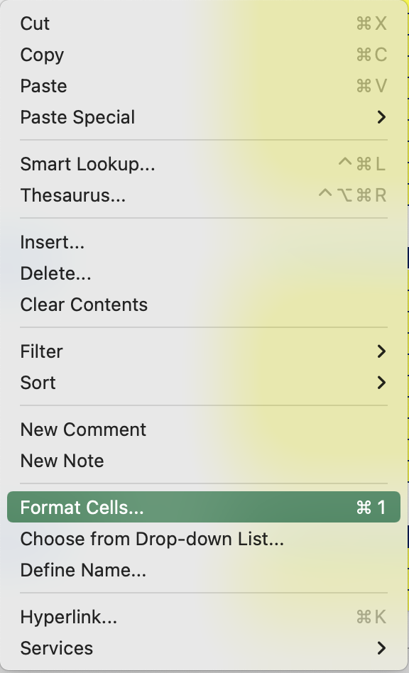
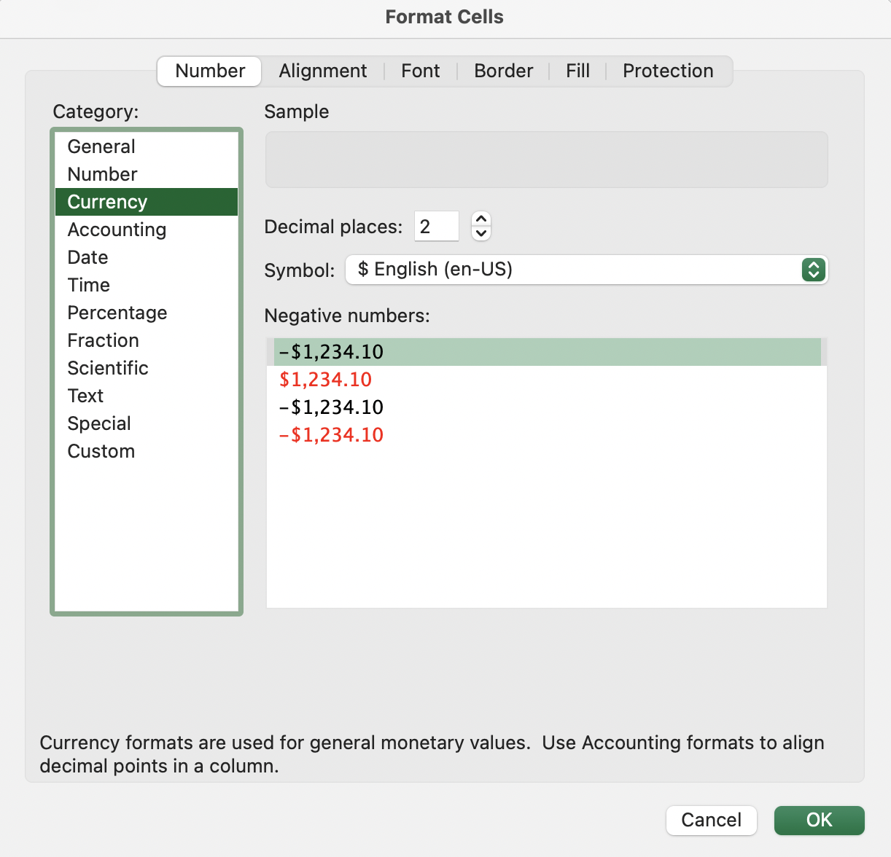
1
2

ATTENTION | Using this template means filling it with the sensitive information about your organization. It's important to ensure that this information is kept confidential and protected. Don't share this information beyond the relevant and accredited stakeholders.

Tracking Sheet for FY
Human Resources Budget
Human Resources Budget |  |  |  | Total actual spend vs. budget |  |  |  |  | Year to date (YTD) vs. planned spend
Budget | $0.00
Actual spend | $0.00
 | Planned spend | Actual spend
 | $0.00 | $0.00
 | $0.00 | $0.00
 | $0.00 | $0.00
 | $0.00 | $0.00
 | $0.00 | $0.00
 | $0.00 | $0.00
 | $0.00 | $0.00
 | $0.00 | $0.00
 | $0.00 | $0.00
 | $0.00 | $0.00
 | $0.00 | $0.00
 | $0.00 | $0.00
Fiscal Year (FY)

 | Total value will be calculated automatically

 | Value will be calculated automatically

 | Value must be entered manually*

 | *Through Cells B21 to C82, enter each unit name at the top of each section that you want to track the budget for. Underneath the section name, list each line item in that unit. Through Cells H22 to AE82, you must always enter a numerical value that indicates your planned spend and actual spend for each line item. If no budget was allocated or spent for a specific line item, enter 0.

 |  |  |  | Select the starting month for the fiscal year.

 |  | Current FY | Current FY
 |  | Budget | Actual spend
TOTAL |  |  |  | $0.00 | $0.00 | $0.00 | $0.00 | $0.00 | $0.00 | $0.00 | $0.00 | $0.00 | $0.00 | $0.00 | $0.00 | $0.00 | $0.00 | $0.00 | $0.00 | $0.00 | $0.00 | $0.00 | $0.00 | $0.00 | $0.00 | $0.00 | $0.00
 |  |  |  | Planned spend | Actual spend | Planned spend | Actual spend | Planned spend | Actual spend | Planned spend | Actual spend | Planned spend | Actual spend | Planned spend | Actual spend | Planned spend | Actual spend | Planned spend | Actual spend | Planned spend | Actual spend | Planned spend | Actual spend | Planned spend | Actual spend | Planned spend | Actual spend
[Enter budget section]
[Enter budget line item]
[Enter budget line item]
[Enter budget line item]
[Enter budget line item]
[Enter budget line item]
[Enter budget line item]
[Enter budget line item]
[Enter budget line item]
[Enter budget line item]
[Enter budget line item]

[Enter budget section]
[Enter budget line item]
[Enter budget line item]
[Enter budget line item]
[Enter budget line item]
[Enter budget line item]
[Enter budget line item]
[Enter budget line item]
[Enter budget line item]
[Enter budget line item]
[Enter budget line item]

[Enter budget section]
[Enter budget line item]
[Enter budget line item]
[Enter budget line item]
[Enter budget line item]
[Enter budget line item]
[Enter budget line item]
[Enter budget line item]
[Enter budget line item]
[Enter budget line item]
[Enter budget line item]

[Enter budget section]
[Enter budget line item]
[Enter budget line item]
[Enter budget line item]
[Enter budget line item]
[Enter budget line item]
[Enter budget line item]
[Enter budget line item]
[Enter budget line item]
[Enter budget line item]
[Enter budget line item]

[Enter budget section]
[Enter budget line item]
[Enter budget line item]
[Enter budget line item]
[Enter budget line item]
[Enter budget line item]
[Enter budget line item]
[Enter budget line item]
[Enter budget line item]
[Enter budget line item]
[Enter budget line item]

Budget Summary Sheet
Human Resources Budget
Human Resources Budget

Fiscal Year (FY)
 |  |  |  |  |  |  | Previous FY actual spend vs. previous FY budget | Current FY budget vs. current FY actual spend | t | u
 | Total value will be calculated automatically

 | Value will be calculated automatically

 | Value must be entered manually*

 | *Through Cells D18 to E79, you must always enter a numerical value. If no budget was allocated or spent for a specific line item, enter 0.

 |  | Previous FY | Previous FY | Variance | Current FY | Current FY
 |  | Budget | Actual spend |  | Budget | Actual spend
TOTAL

 |  |  |  |  |  |  | Budget vs. actual YTD for current financial year

 | Planned spend | Actual spend
 | $0.00 | $0.00
 | $0.00 | $0.00
 | $0.00 | $0.00
 | $0.00 | $0.00
 | $0.00 | $0.00
 | $0.00 | $0.00
 | $0.00 | $0.00
 | $0.00 | $0.00
 | $0.00 | $0.00
 | $0.00 | $0.00
 | $0.00 | $0.00
 | $0.00 | $0.00

